01. Title Page
Project Name: Global Terrorism Project
Date: 11/9/2023 Analyst Name: Brittney Gross

Contents:
Consistency checks
Wrangling steps
Column derivations
Visualizations
Recommendations

Citation:
"National Consortium for the Study of Terrorism and Responses to Terrorism (START), University of Maryland. (2018). The Global Terrorism Database (GTD) [Data file]. Retrieved from https://www.start.umd.edu/gtd"

05. Visualizations
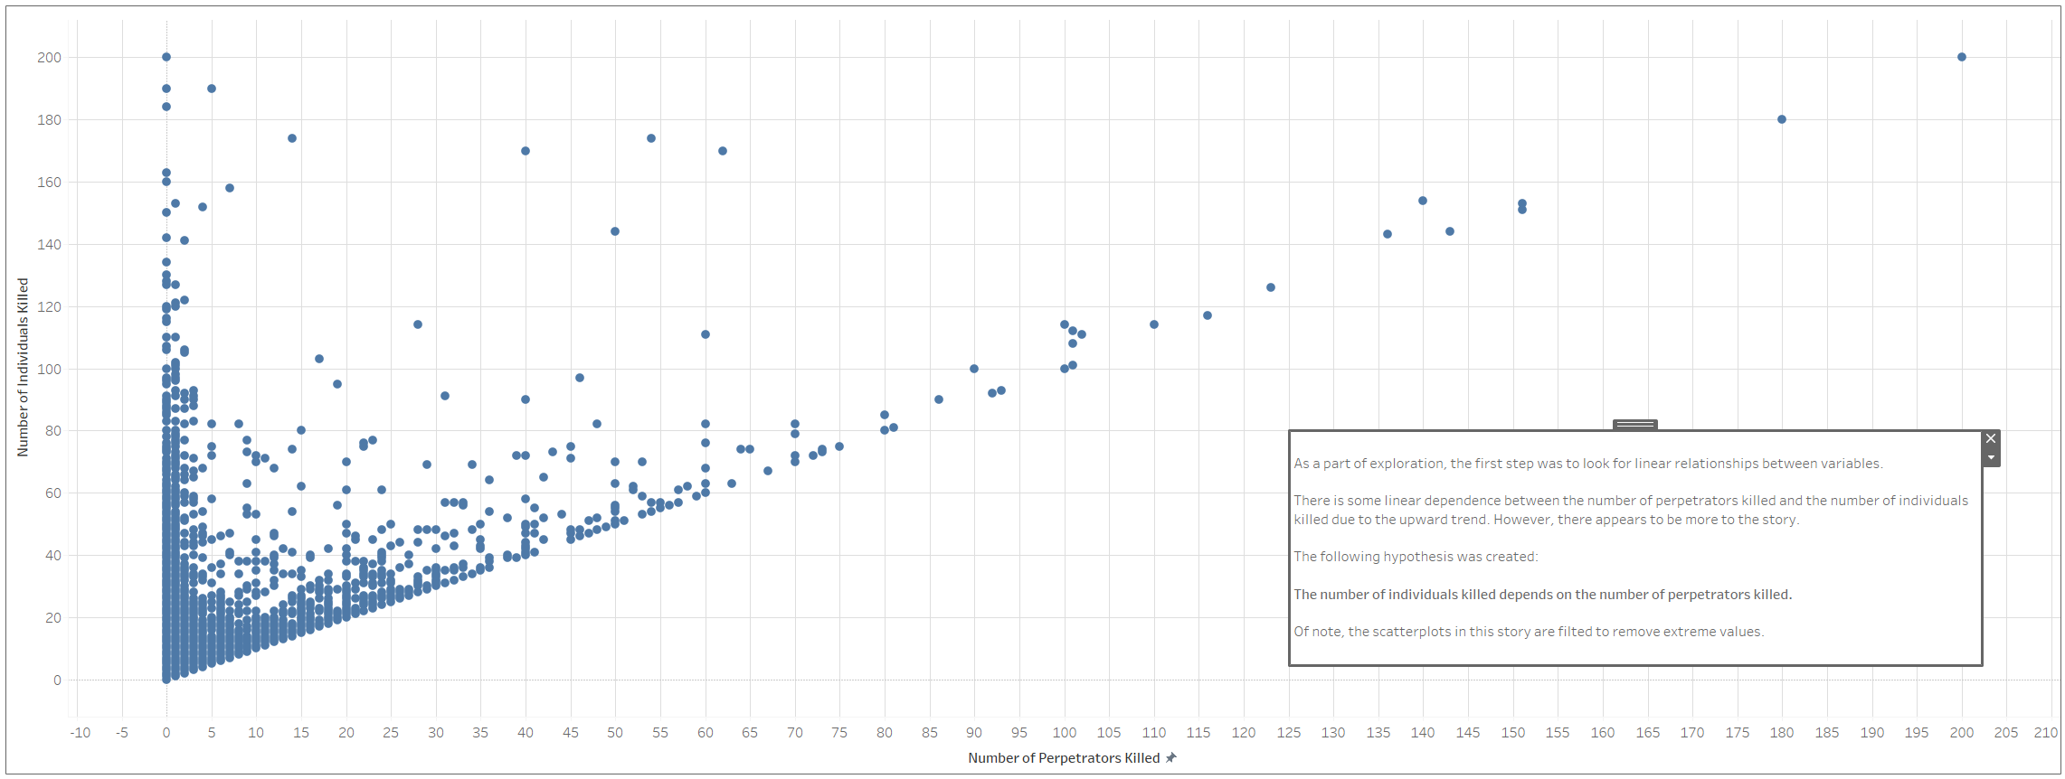
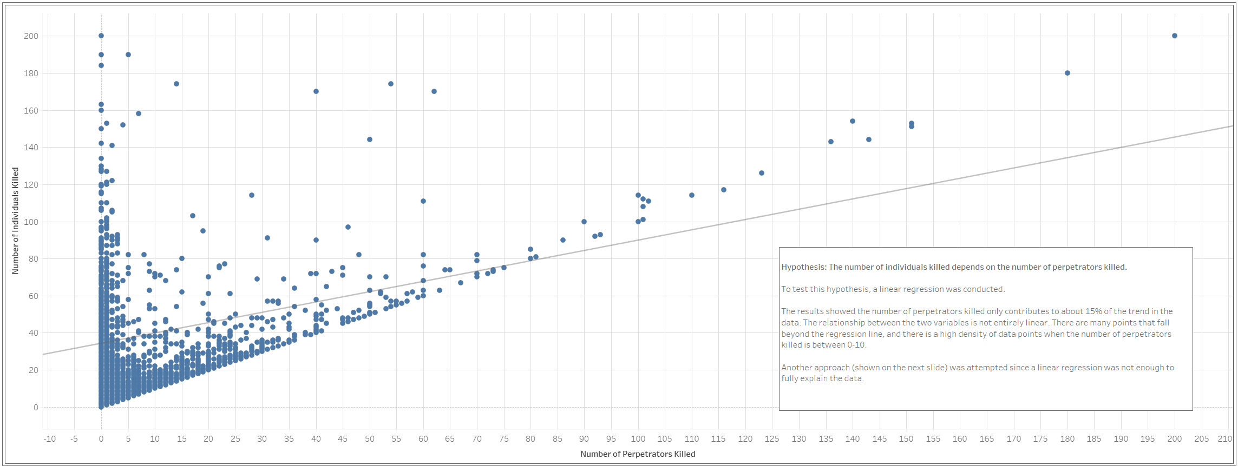
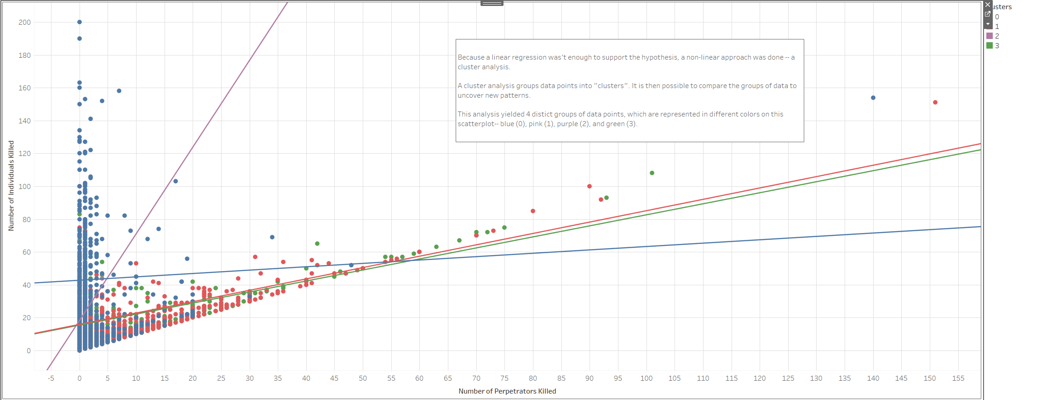
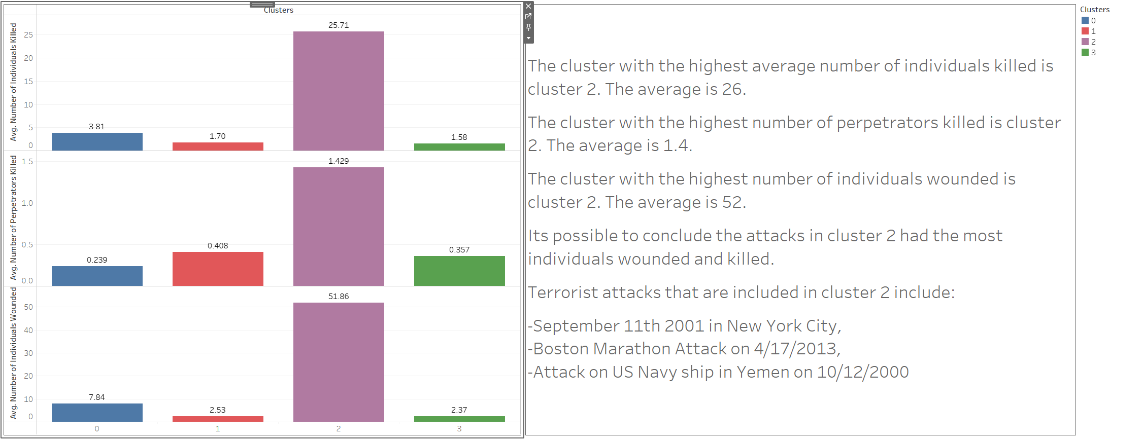
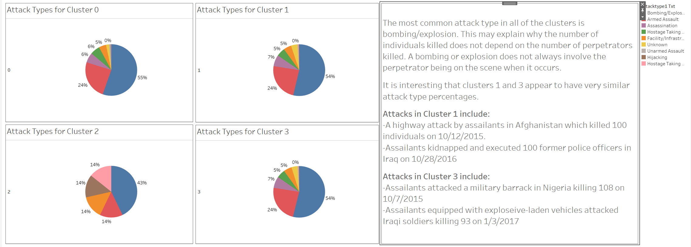
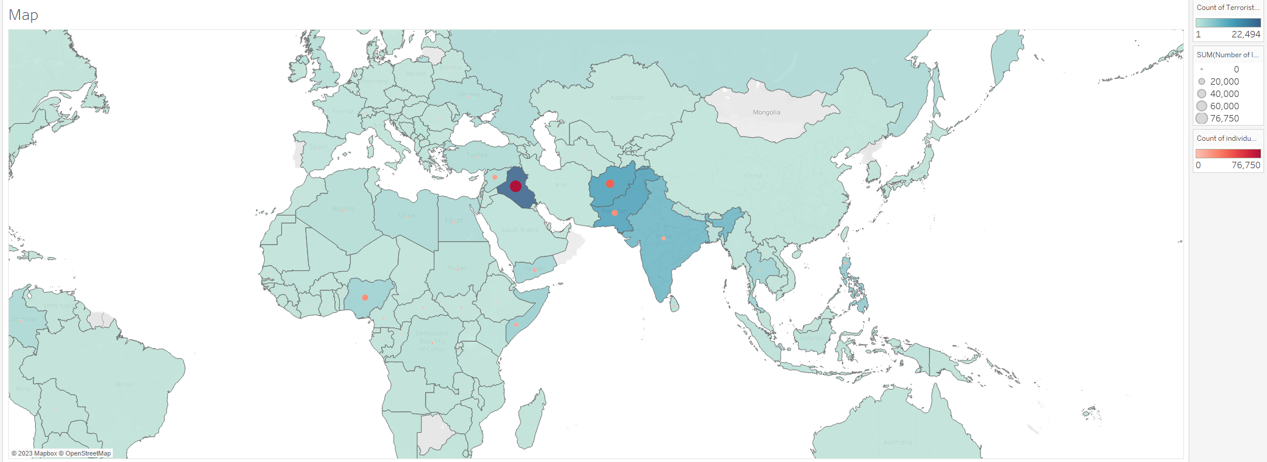

 | This map shows the number of terrorist attacks per country and the number of individuals killed from terrorist attacks per country.

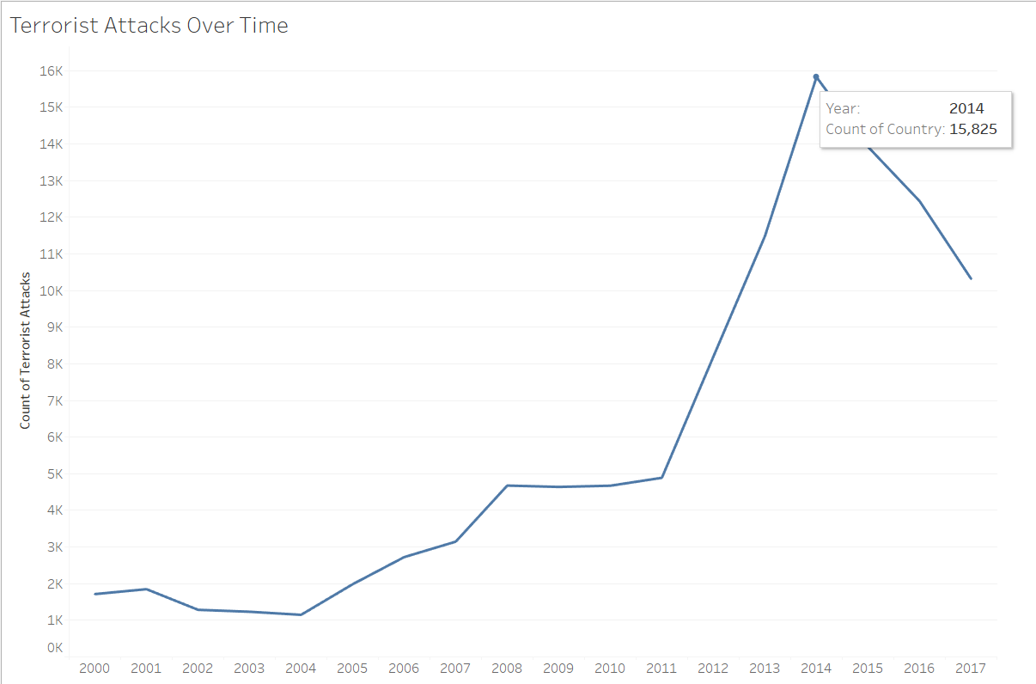

This line chart shows the amount of terrorist attacks over time

06. Recommendations
